Icicles
Icicle Length at -11C
Time (min) | Length (cm)
10 | 0.6
20 | 1.8
30 | 2.9
40 | 4.0
50 | 5.0
60 | 6.1
70 | 7.9
80 | 10.1
90 | 10.9
100 | 12.7
Situation: Icicles forming at -11C with no wind and water running over the icicle at a rate of 12 mg/s.
There is an extremely strong positive linear relationship between the time and length of the icicle.
110 | 14.4
120 | 16.6
130 | 18.1
140 | 19.9
150 | 21.0

Fuel Consumption
Fuel Consumption
Speed (mph) | Fuel Consumption (miles per gallon)
6.2 | 11.2
12.4 | 18.1
18.6 | 23.5
24.9 | 29.4
31.1 | 33.6
37.3 | 39.9
43.5 | 37.3
Situation: British Ford Escort Fuel Consumption.
There is no overall linear relationship.
However, there is an extremely strong positive linear relationship to abuot a speed of 38 mph, then it switches to a strong linear negative linear relationship.
49.7 | 33.8
55.9 | 31.1
62.1 | 28.4
68.4 | 26.0
74.6 | 23.8
80.8 | 21.8
87.0 | 20.0
93.2 | 18.3

Regression Line (Doesn't Work)
Notice that the sum keeps getting smaller, as we increase m and increase b! We Can't minimize the sum. We need a different choice for a sum to minimize.
x | y
2 | 3
3 | 4
5 | 1

m | b | y1-(m*x1+b) | y2-(m*x2+b) | y3-(m*x3+b) | sum
-2 | 7 | 0 | 3 | 4 | 7
-1 | 7 | -2 | 0 | -1 | -3
0 | 7 | -4 | -3 | -6 | -13
1 | 7 | -6 | -6 | -11 | -23
-2 | 7 | 0 | 3 | 4 | 7
-2 | 8 | -1 | 2 | 3 | 4
-2 | 9 | -2 | 1 | 2 | 1
-2 | 10 | -3 | 0 | 1 | -2

Regression Line (Works!)
Notice that here the sum appears to have a minimum value as we vary m and b! This sum we can minimize.
x | y
2 | 3
3 | 4
5 | 1

m | b | (y1-(m*x1+b))^2 | (y2-(m*x2+b))^2 | (y3-(m*x3+b))^2 | sum
-2 | 5 | 4 | 25 | 36 | 65
-1 | 5 | 0 | 4 | 1 | 5
0 | 5 | 4 | 1 | 16 | 21
1 | 5 | 16 | 16 | 81 | 113
-1 | 5 | 0 | 4 | 1 | 5
-1 | 6 | 1 | 1 | 0 | 2
-1 | 7 | 4 | 0 | 1 | 5
-1 | 8 | 9 | 1 | 4 | 14

Number of Self Employed Workers
Series Id: LNU02032192

Not Seasonally Adjusted
Series title: (Unadj) Employment Level - Nonagriculture | Self-employed Workers
Labor force status: Employed
Type of data: Number in thousands
Age: 16 years and over
Class of worker: Self-employed workers
Industry: Nonagriculture industries (0369-9590 & 9890)

Year | Annual
1978 | 6429
1979 | 6791
1980 | 7000
1981 | 7097
1982 | 7262
1983 | 7575
1984 | 7785
1985 | 7811
1986 | 7881
1987 | 8201
1988 | 8519
1989 | 8605
There is a strong correlation between the year and the number of self employed workers (since R^2 is close to 1).
You can use the equation of the line to estimate the number of self employed workers in the near future (extrapolation).
1990 | 8719
1991 | 8851
1992 | 8575
1993 | 8959
1994 | 9003
1995 | 8902
1996 | 8971
1997 | 9056
1998 | 8962
1999 | 8790
2000 | 9205
2001 | 9121
2002 | 8923
2003 | 9344
2004 | 9467
2005 | 9509
2006 | 9685

Agricultural Workers
Series Id: LNU02032184
Not Seasonally Adjusted
Series title: (Unadj) Employment Level - Agriculture and Related Industries, Wage and Salary
Workers
Labor force status: Employed
Type of data: Number in thousands
Age: 16 years and over
Class of worker: Wage and salary workers
Industry: Agriculture, forestry, fishing, and hunting (0170-0290)

Year | Jan | Feb | Mar | Apr | May | Jun | Jul | Aug | Sep | Oct | Nov | Dec | Annual
1997 | 1648 | 1664 | 1764 | 1965 | 2117 | 2222 | 2156 | 2001 | 1940 | 1805 | 1747 | 1653 | 1890
1998 | 1651 | 1685 | 1733 | 2003 | 2070 | 2145 | 2285 | 2315 | 2260 | 2284 | 1884 | 1683 | 2000
1999 | 1703 | 1646 | 1721 | 1925 | 2067 | 2207 | 2201 | 2088 | 2051 | 1950 | 1946 | 1822 | 1944
2000 | 1395 | 1386 | 1361 | 1429 | 1434 | 1590 | 1520 | 1525 | 1458 | 1378 | 1301 | 1276 | 1421
2001 | 1241 | 1148 | 1183 | 1256 | 1357 | 1286 | 1478 | 1473 | 1391 | 1300 | 1158 | 1127 | 1283
2002 | 1160 | 1133 | 1154 | 1301 | 1282 | 1375 | 1530 | 1328 | 1418 | 1430 | 1134 | 1141 | 1282
2003 | 1091 | 1038 | 1149 | 1182 | 1222 | 1352 | 1378 | 1541 | 1576 | 1546 | 1347 | 1168 | 1299
2004 | 1087 | 1067 | 1125 | 1252 | 1299 | 1369 | 1358 | 1462 | 1373 | 1273 | 1173 | 1061 | 1242
2005 | 1042 | 1023 | 1090 | 1175 | 1238 | 1436 | 1447 | 1388 | 1260 | 1227 | 1164 | 1058 | 1212
2006 | 1118 | 1084 | 1117 | 1277 | 1307 | 1503 | 1568 | 1434 | 1291 | 1282 | 1226 | 1240 | 1287
2007 | 1189
This graph (taken from http://data.bls.gov/) shows seasonal variations. A linear regression line would not model the data very well.
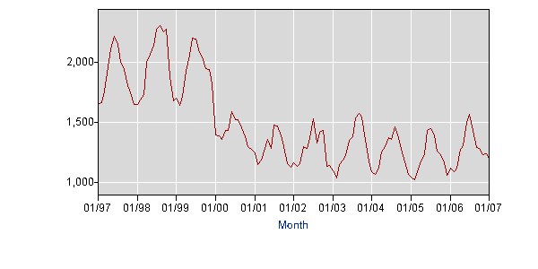

Series Id: LNS12032184
Seasonal Adjusted
Series title: (Seas) Employment Level - Agriculture and Related Industries, Wage and Salary
Workers
Labor force status: Employed
Type of data: Number in thousands
Age: 16 years and over
Class of worker: Wage and salary workers
Industry: Agriculture, forestry, fishing, and hunting (0170-0290)

Year | Jan | Feb | Mar | Apr | May | Jun | Jul | Aug | Sep | Oct | Nov | Dec | Annual
1997 | 1915 | 1910 | 1938 | 1963 | 1963 | 1927 | 1899 | 1831 | 1851 | 1793 | 1859 | 1835
1998 | 1876 | 1914 | 1908 | 2001 | 1949 | 1871 | 2027 | 2120 | 2141 | 2283 | 2006 | 1856
1999 | 1911 | 1869 | 1901 | 1940 | 1974 | 1942 | 1958 | 1901 | 1919 | 1936 | 2073 | 1994
2000 | 1553 | 1581 | 1514 | 1454 | 1392 | 1422 | 1362 | 1366 | 1342 | 1346 | 1371 | 1395
2001 | 1380 | 1318 | 1316 | 1283 | 1335 | 1162 | 1333 | 1300 | 1263 | 1258 | 1212 | 1237
2002 | 1300 | 1315 | 1286 | 1333 | 1268 | 1246 | 1354 | 1161 | 1281 | 1383 | 1193 | 1270
2003 | 1230 | 1213 | 1284 | 1209 | 1211 | 1222 | 1214 | 1338 | 1424 | 1493 | 1412 | 1314
2004 | 1234 | 1256 | 1259 | 1279 | 1285 | 1226 | 1186 | 1270 | 1250 | 1231 | 1226 | 1205
2005 | 1188 | 1206 | 1223 | 1197 | 1220 | 1272 | 1257 | 1207 | 1158 | 1192 | 1216 | 1205
2006 | 1276 | 1278 | 1256 | 1303 | 1283 | 1316 | 1354 | 1251 | 1199 | 1249 | 1283 | 1415
2007 | 1358
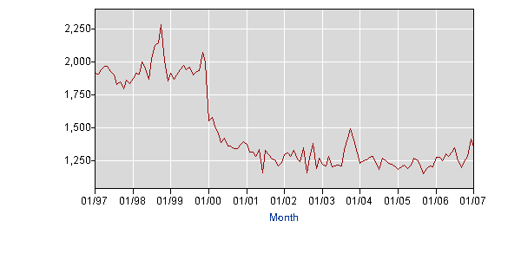
This graph is for data that has seasonal variations removed. A linear regression line would model the data well from 1997-2000 or 2000-2007, but not 1997-2007.

